Instructions
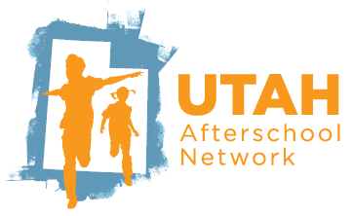
The Incentive application and forms can be found on the Utah Afterschool Network's website at: utahafterschool.org/incentive
STEP 1 of 3: COMPLETING THE INCENTIVE APPLICATION
Complete the Incentive Application by April 10, 2026, 11:59pm
Incomplete applications will not be accepted. This includes applications missing employment information, applicant signatures, etc.
STEP 2 of 3: COMPLETING THE INCENTIVE VERIFICATION FORM
1. Complete each tab of this "Afterschool Professional Incentive Verification Form" Excel document with all applicable information:
 | I Have Verififed that my Organization is DWS Approved
 | I Have Completed the Work Experience Verification Tab
 | I Have Completed the Training Hours Tab
 | I Have Completed the Professional Actitivities Tab
 | I Have Completed the Applicant Summary Tab
 | I Have Created/Updated my Care About Childcare Profile
 | I Have Checked that My Employer has Recieved the Employment Verification Email from UAN
3. EMAIL (do not print) the completed "Afterschool Professional Incentive Verification Form" Excel document to: professionallearning@utahafterschool.org
NOTE: Documentation does not need to be submitted with the application but must be available upon request in the event of a random audit.
STEP 3 of 3: Final Notes for the VERIFICATION FORM
Each Afterschool Incentive application and verification form is held to a high-quality professional standard. If applicants do not return any requested additional information within the provided time frame, then the application will be denied. It is recommended that you review your application and verification form with a mentor or supervisor before you submit your application and verification form. It is the due diligence of the applicant to fully complete the Afterschool Professional Incentive application and the verification form. If the information provided on the verification is missing information, or inaccurate the application will be denied. Any denied applicants will need to wait until the following school year to apply for the Afterschool Professional Incentive. Applications and Verification Forms that are submitted after the due date of April 10, 2026 at 11:59pm will be denied, no exceptions will be considered.

